Note_Blue
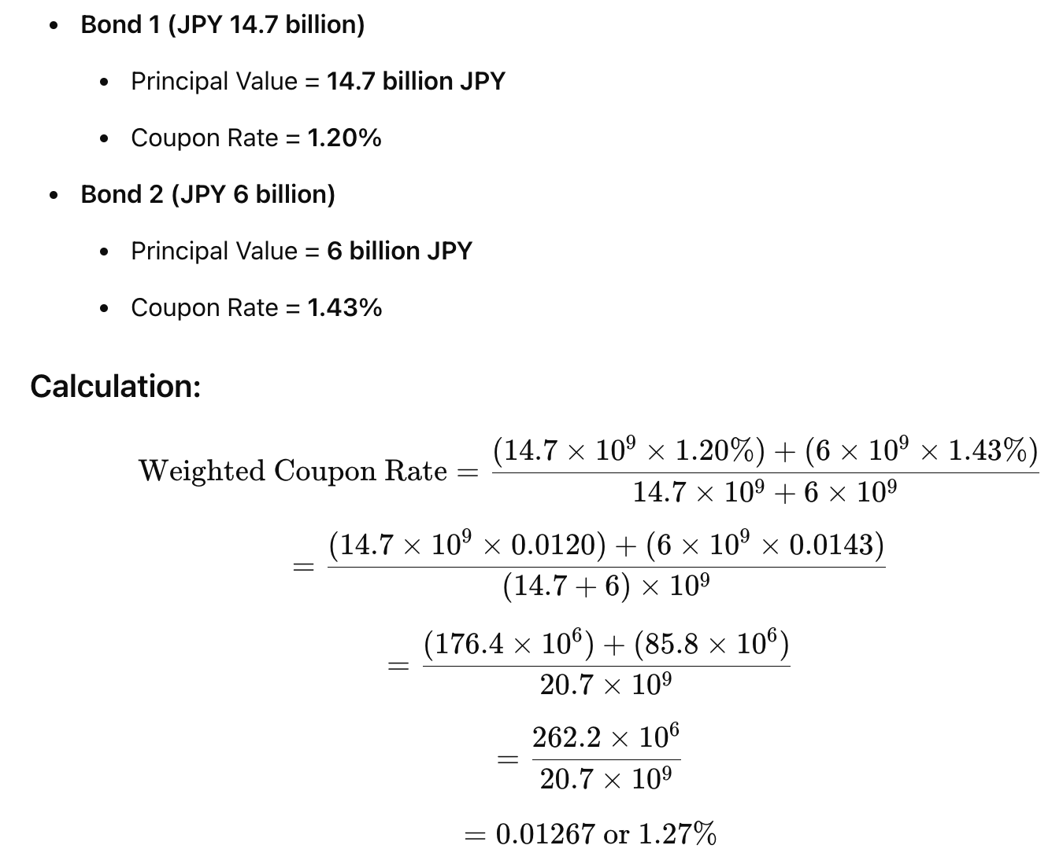
Bank of China 2020 943 2,04% is aggregate
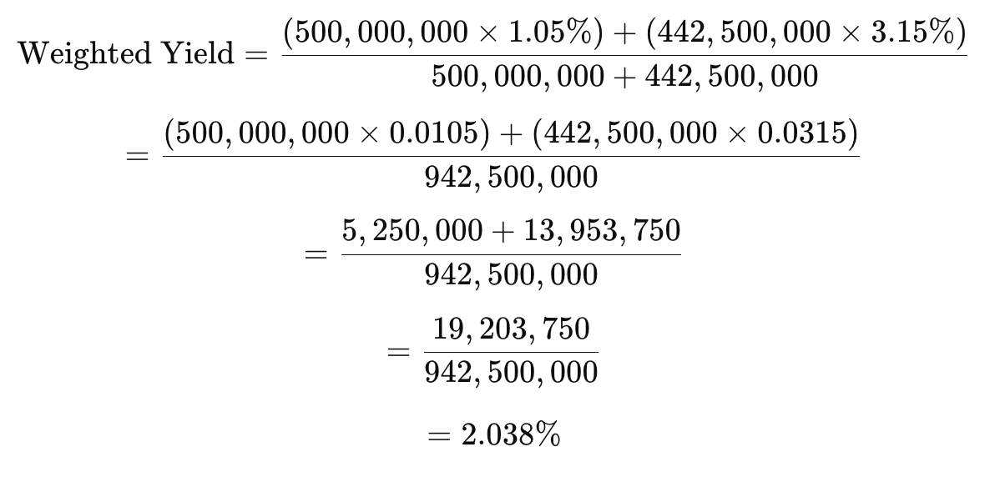

Government of Belize 2021 364 4,89% is aggregate
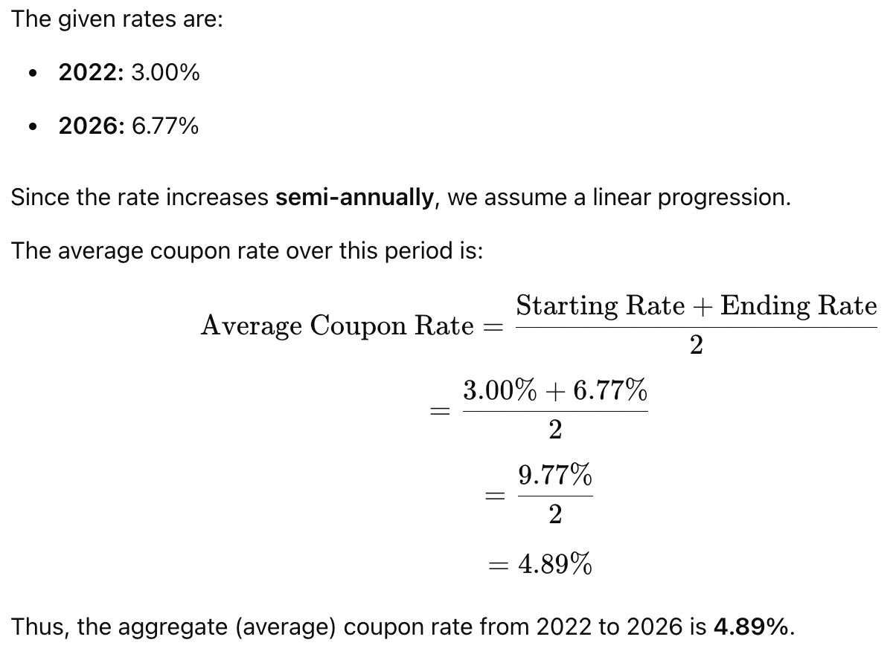

The Commonwealth of the Bahamas 2022 385 7,19% is aggregate
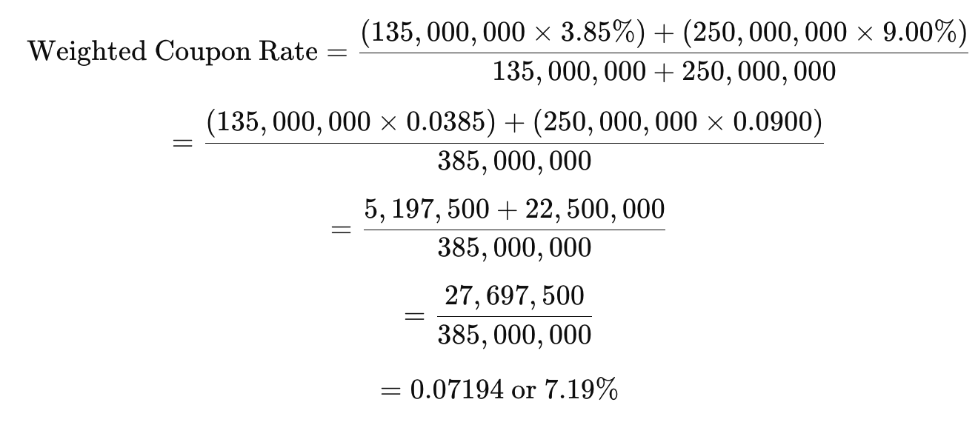

Republic of Indonesia 2023 150 1,27%

